Blad1
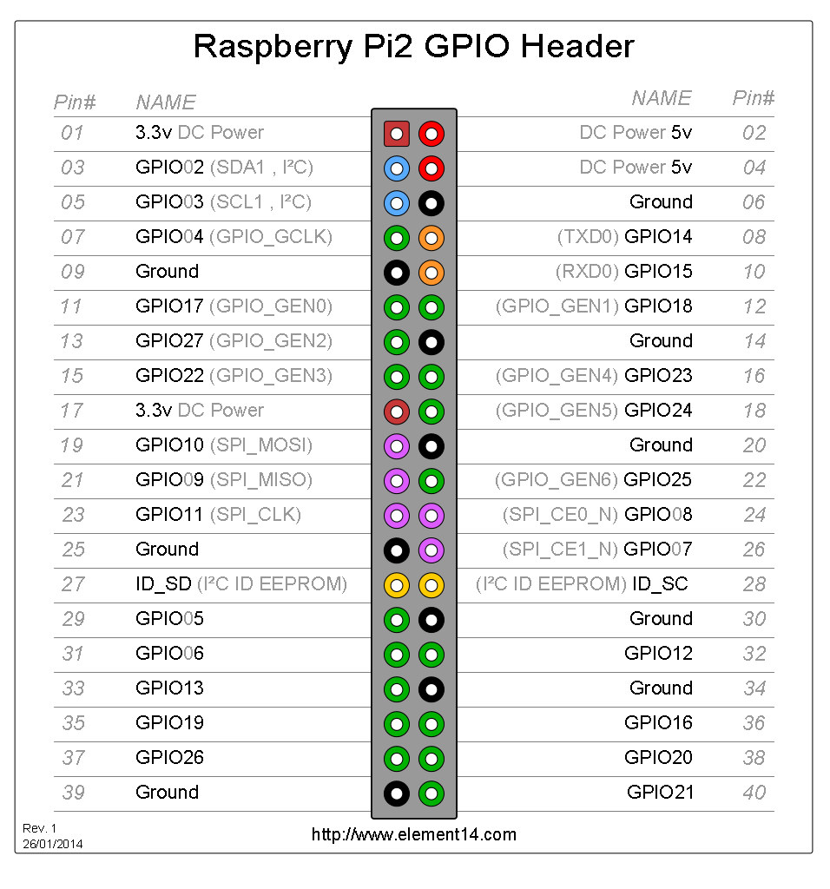
Rasberry Pi GPIO expander V0.1

BCM GPIO pin | Function on board

GPIO18 | Led18 on board
GPIO17 | Button 17 on board

